Q.3
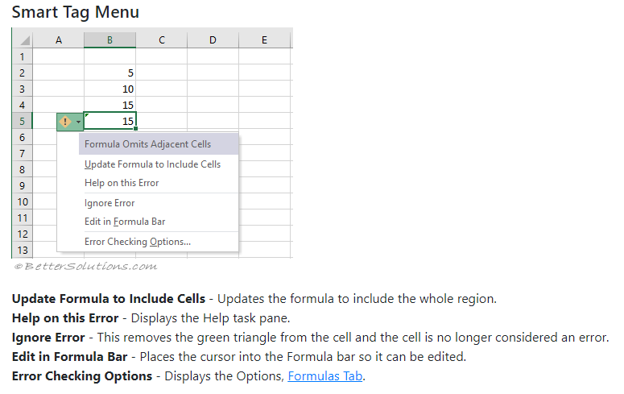
3. How do you get rid of Formula that omits adjacent cells?

Formula Omits Adjacent Cells shows, When a formula does not include all cells which do not include all the adjacent cells in the same region.

Formula Omits Adjacent Cells This rule identifies cells containing formulas which leave out cells in the same region.

Q.5
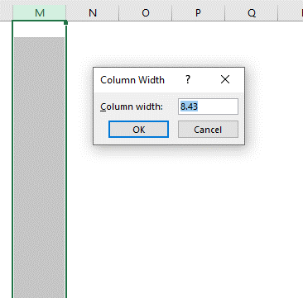
5. What happens if you choose a column, hold down the Alt key and press the letters ocw in quick succession?

Ans : Change column width menu prompt

Q.6
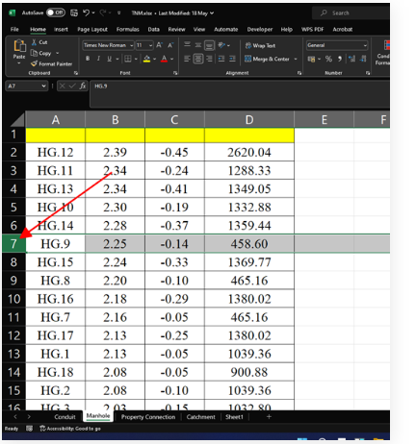
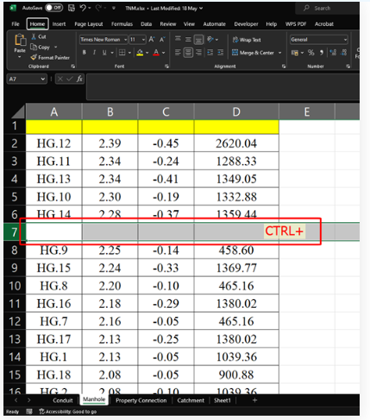
6. If you right-click on a row reference number and click on Insert, where will the row be added?

Ans : A new row is inserted above the cell(s) you originally selected.

